Sheet2
Count of Employee Number | Sum of CF_attrition count | Average of Age | Average of CF_attrition rate | Sum of CF_current Employee
1470 | 237 | 36.923809524 | 0.1612244898 | 1233
Toatal Employee | Attrition Count | Avg Age | Active Employess | Attritaion rate
1470 | 237 | 37 | 1233 | 16.12%
Row Labels | Sum of Employee Count
Female | 588 | Female | 588 | 40%
Male | 882 | tolat | 1470
Grand Total | 1470 | Male | 882 | 60%
 |  | Total | 1470

Average of Job Satisfaction
2.6 | Rating | 2.6 | 0.65663265306
 | Balance Rating | 1.4 | 0.35

 | 40%
 | 60%
 |  |  |  |  |  |  |  |  |  |  |  | Row Labels | Count of Attrition
 |  |  |  |  |  |  |  |  |  |  |  | HR | 63
 |  |  |  |  |  |  |  |  |  |  |  | R&D | 961
 |  |  |  | Row Labels | Count of Attrition |  |  |  |  |  |  | Sales | 446
 |  |  |  | Doctoral Degree | 48 |  |  |  |  |  |  | Grand Total | 1470
 |  |  |  | High School | 170
 |  |  |  | Associates Degree | 282
 |  |  |  | Master's Degree | 398 |  |  | Row Labels | Count of Attrition | Sales Executive | 326
 |  |  |  | Bachelor's Degree | 572 |  |  | Sales Executive | 326 | Research Scientist | 292
 |  |  |  | Grand Total | 1470 |  |  | Research Scientist | 292 | Laboratory Technician | 259
 |  |  |  |  |  |  |  | Laboratory Technician | 259 | Manufacturing Director | 145
 |  |  |  |  |  |  |  | Manufacturing Director | 145 | Healthcare Representative | 131
 |  |  |  |  |  |  |  | Healthcare Representative | 131 | Manager | 102
 |  |  |  |  |  |  |  | Manager | 102 | Sales Representative | 83
 |  |  |  |  |  |  |  | Sales Representative | 83 | Research Director | 80
 |  |  |  |  |  |  |  | Research Director | 80 | Human Resources | 52
 |  |  |  |  |  |  |  | Human Resources | 52 |  | 1470
 |  |  |  |  |  |  |  | Grand Total | 1470

 |  |  |  |  |  |  |  |  |  |  |  | Row Labels | Count of Attrition
 |  |  |  |  |  |  |  |  |  |  |  | 25 - 34 | 554
 |  |  |  |  |  |  |  |  |  |  |  | 35 - 44 | 505
 |  |  |  |  |  |  |  |  |  |  |  | 45 - 54 | 245
 |  |  |  |  |  |  |  |  |  |  |  | Over 55 | 69
 |  |  |  |  |  | Row Labels | Count of Attrition |  |  |  |  | Under 25 | 97
 |  |  |  |  |  | Divorced | 327 | Divorced | 327 |  |  | Grand Total | 1470
 |  |  |  |  |  | Married | 673 | Married | 673
 |  |  |  |  |  | Single | 470 | Single | 470
 |  |  |  |  |  | Grand Total | 1470

HR Dashboard
 | 0.65663265306
 | 0.35

`
HR DASHBOARD
JOB SATISFACTION RATING

2.6

Total Employees
Attrition
Active Employees
Attrition Rate
Average Age

1470
237
1233
16.12%
37

Total Employee By Gender
Education Wise Attrition
Attition By Job Role

 | Total
Doctoral Degree | 48
High School | 170
Associates Degree | 282
Master's Degree | 398
Bachelor's Degree | 572

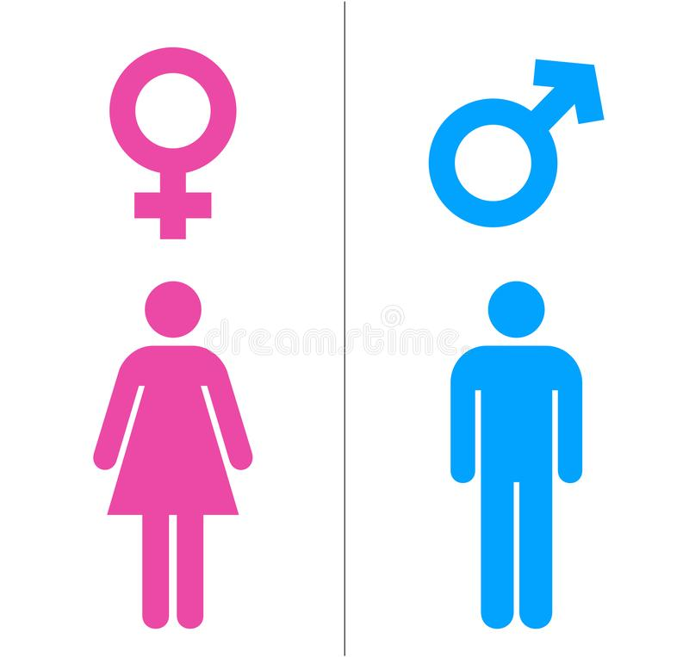
 | 40%
 | 60%
 | 40%
 | 60%

40%
60%

Department Wise Attition
Attrition By Age Group
Attrition By Marital Status
Filter Panel
 | Total
HR | 63
R&D | 961
Sales | 446
 | Total
25 - 34 | 554
35 - 44 | 505
45 - 54 | 245
Over 55 | 69
Under 25 | 97

